Sheet1
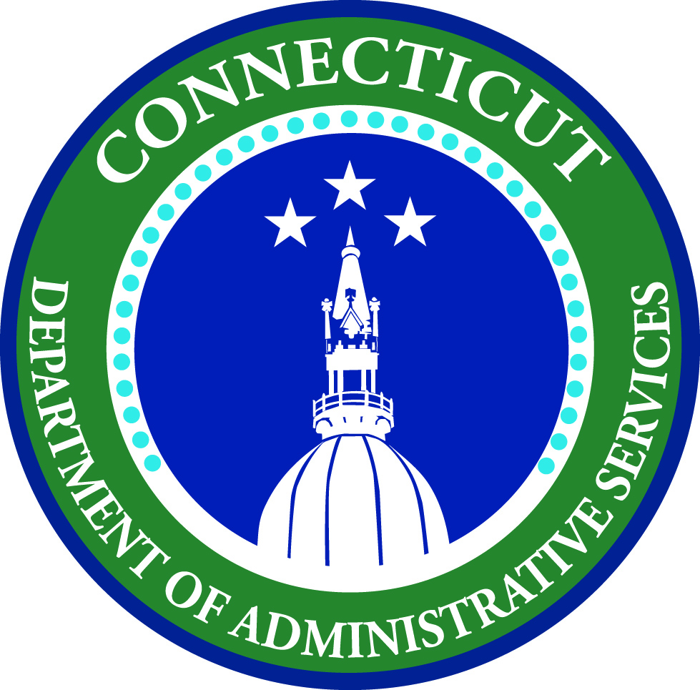
 |  | STATE OF CONNECTICUT
 |  | DEPARTMENT OF ADMINISTRATIVE SERVICES
 |  | Procurement: State Property Surplus Unit
 |  | 450 Columbus Bld., Suite N1202
 |  | Hartford, CT 06103
 |  | www.CT.gov/DAS

 |  | (860) 713-5052
 |  | DAS.State.Surplus@ct.gov

Please type needed information in excel, save, and email to DAS.State.Surplus@ct.gov.

 | ON-LINE SURPLUS SYSTEM APPLICATION for MUNICIPALITIES

Name of Municipality*

Department (if applicable)

 | Billing Address*

 | City/Town* |  | State | Zip Code

 | Telephone Number(s)

 | Website

Applicant Name*

Telephone Number(s)*

 | E-Mail Address*

Signature (please type and then email form from your computer)* |  |  | Date*

 |  |  |  | rev. 2022/07/18 VAC

